By Market
 | P R E S S R E L E A S E

 | PRESS EMBARGO FOR ALL DATA:
 | 8.00 AM (6.00 AM GMT), 17 July 2019

 | PROVISIONAL
 | NEW PASSENGER CAR REGISTRATIONS BY MARKET
 | EUROPEAN UNION1 + EFTA

 |  |  |  |  |  | 2019-07-17
 | June | June | %Change | Jan-Jun | Jan-Jun | %Change
 | 2019 | 2018 | 19/18 | 2019 | 2018 | 19/18
AUSTRIA | 32,529 | 38,015 | -14.4 | 175,909 | 192,861 | -8.8
BELGIUM | 50,044 | 56,211 | -11.0 | 310,488 | 331,369 | -6.3
BULGARIA | 3,255 | 3,586 | -9.2 | 18,323 | 18,082 | +1.3
CROATIA | 8,232 | 8,579 | -4.0 | 38,216 | 38,279 | -0.2
CYPRUS | 1,183 | 1,173 | +0.9 | 6,578 | 7,651 | -14.0
CZECH REPUBLIC | 21,902 | 25,932 | -15.5 | 128,498 | 143,784 | -10.6
DENMARK | 20,715 | 22,518 | -8.0 | 122,245 | 120,726 | +1.3
ESTONIA | 2,424 | 2,566 | -5.5 | 13,933 | 14,190 | -1.8
FINLAND | 10,537 | 11,661 | -9.6 | 60,277 | 69,612 | -13.4
FRANCE | 230,964 | 252,216 | -8.4 | 1,166,442 | 1,188,150 | -1.8
GERMANY | 325,231 | 341,308 | -4.7 | 1,849,000 | 1,839,031 | +0.5
GREECE | 13,133 | 12,571 | +4.5 | 65,557 | 62,312 | +5.2
HUNGARY | 13,577 | 14,205 | -4.4 | 74,543 | 70,748 | +5.4
IRELAND | 1,406 | 1,248 | +12.7 | 80,707 | 87,116 | -7.4
ITALY | 171,626 | 175,273 | -2.1 | 1,082,197 | 1,121,649 | -3.5
LATVIA | 1,612 | 1,728 | -6.7 | 9,485 | 9,070 | +4.6
LITHUANIA | 4,546 | 3,221 | +41.1 | 23,491 | 15,966 | +47.1
LUXEMBOURG | 5,199 | 5,627 | -7.6 | 31,123 | 30,655 | +1.5
NETHERLANDS | 41,671 | 46,746 | -10.9 | 226,482 | 252,988 | -10.5
POLAND | 45,050 | 46,090 | -2.3 | 278,332 | 273,045 | +1.9
PORTUGAL | 25,305 | 26,217 | -3.5 | 128,595 | 134,561 | -4.4
ROMANIA | 14,082 | 12,241 | +15.0 | 71,620 | 60,068 | +19.2
SLOVAKIA | 9,396 | 9,467 | -0.7 | 52,075 | 51,891 | +0.4
SLOVENIA | 6,794 | 7,378 | -7.9 | 39,847 | 41,677 | -4.4
SPAIN | 130,519 | 142,397 | -8.3 | 692,472 | 734,671 | -5.7
SWEDEN | 31,830 | 66,244 | -52.0 | 167,882 | 225,543 | -25.6
UNITED KINGDOM | 223,421 | 234,945 | -4.9 | 1,269,245 | 1,313,994 | -3.4
EUROPEAN UNION | 1,446,183 | 1,569,363 | -7.8 | 8,183,562 | 8,449,689 | -3.1
EU152 | 1,314,130 | 1,433,197 | -8.3 | 7,428,621 | 7,705,238 | -3.6
EU123 | 132,053 | 136,166 | -3.0 | 754,941 | 744,451 | +1.4
ICELAND | 1,359 | 2,596 | -47.7 | 7,283 | 11,883 | -38.7
NORWAY | 15,352 | 15,845 | -3.1 | 78,209 | 76,745 | +1.9
SWITZERLAND | 28,391 | 31,476 | -9.8 | 157,136 | 157,910 | -0.5
EFTA | 45,102 | 49,917 | -9.6 | 242,628 | 246,538 | -1.6
EU + EFTA | 1,491,285 | 1,619,280 | -7.9 | 8,426,190 | 8,696,227 | -3.1
EU15 + EFTA | 1,359,232 | 1,483,114 | -8.4 | 7,671,249 | 7,951,776 | -3.5
SOURCE: NATIONAL AUTOMOBILE MANUFACTURERS' ASSOCIATIONS
1Data for Malta n.a. |  |  | 3Member States having joined the EU since 2004
2Member States before the 2004 enlargement
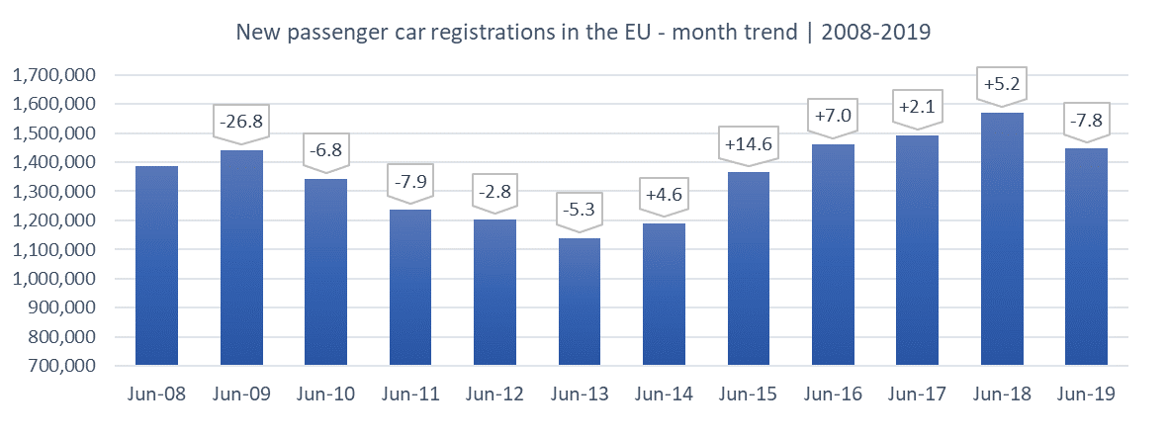

Next press release: Wednesday 18 September 2019
This information is available on the ACEA website: http://www.acea.be
 |  |  |  |  |  | Page 2 of 5

